Design
$$R_{S}=\frac{R_{F}}{G−1}$$
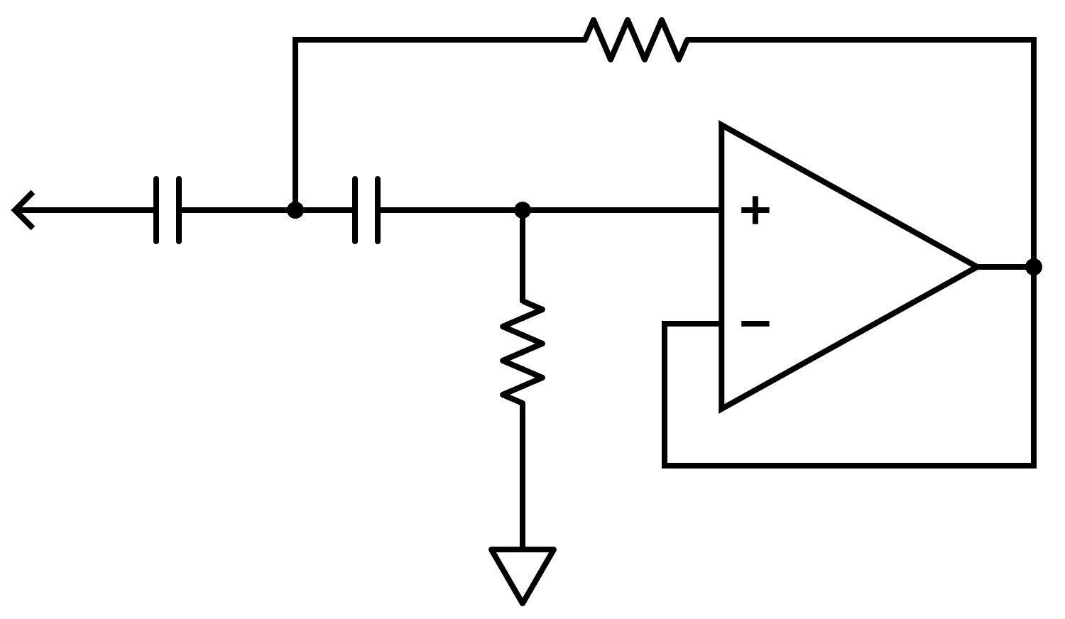
$$R_{S}$$
$$R_{1}$$
$$C_{1}$$
$$C_{2}$$
$$To Wiper$$
$$L=\frac{QR_{s}}{2πf_{0}}$$
Graphic Equalizer Using Gyrators
 | Level Control
RF | 10000 | Ω
Gain | 15 | dB
Gain | 5.6234132519 | V/V
$$C_{1}=\frac{L}{R_{S}\left(R_{1}−R_{S}\right)}$$
R2 | 2162.9042128 | Ω

$$C_{2}=\frac{1}{{\left(2πf\right)}^{2}L}$$
 | Gyrator
RF | 3300 | Ω
Gain | 21 | dB
$$Δf=\frac{f_{0}}{Q}$$
Gain | 11.220184543 | V/V
RS calculated | 322.89045135 | Ω
RS Nearest | 330 | Ω

 | Band 1 | Band 2 | Band 3 | Band 4 | Band 5 | Band 6 | Band 7
Frequency | 100 | 200 | 400 | 800 | 1600 | 3200 | 6400 | Hz | Band 7 is shelving filter
Q | 3.6 | 3.4 | 3.7 | 4 | 3.1 | 3.7
RS Selected | 330 | 330 | 330 | 330 | 330 | 330 |  | Ω
R1 Selected | 100000 | 82000 | 100000 | 100000 | 82000 | 82000 | 820 | Ω
L calculated | 1.8907607239 | 0.89285923075 | 0.48582046379 | 0.2626056561 | 0.10175969174 | 0.060727557974 |  | H
C1 calculated | 5.75e-08 | 3.31e-08 | 1.48e-08 | 8e-09 | 3.8e-09 | 2.3e-09 |  | F
C2 calculated | 1.3397e-06 | 7.092e-07 | 3.259e-07 | 1.507e-07 | 9.72e-08 | 4.07e-08 | 3.03e-08 | F
C1 Nearest | 0.056 | 0.033 | 0.015 | 0.0082 | 0.0039 | 0.0022 |  | µF
C2 Nearest | 1.5 | 0.68 | 0.33 | 0.15 | 0.1 | 0.039 | 0.033 | µF
C1 Actual | 0.056 | 0.033 | 0.015 | 0.0082 | 0.0039 | 0.0022 |  | µF
C2 Actual | 1.5 | 0.68 | 0.33 | 0.15 | 0.1 | 0.039 | 0.047 | µF
C1 Error | 0.0% | 0.0% | 0.0% | 0.0% | 0.0% | 0.0%
C2 Error | 0.0% | 0.0% | 0.0% | 0.0% | 0.0% | 0.0% | 29.8%

$$f_{L}=−\frac{∆}{2}f_{0}+\sqrt{{\left(\frac{∆}{2}f_{0}\right)}^{2}+{f_{0}}^{2}}$$
$$f_{H}=\frac{∆}{2}f_{0}+\sqrt{{\left(\frac{∆}{2}f_{0}\right)}^{2}+{f_{0}}^{2}}$$
Δ | 0.28 | 0.29 | 0.27 | 0.25 | 0.32 | 0.27 |  | Hz
FL | 87.07 | 172.74 | 349.58 | 706.23 | 1362.61 | 2796.65 |  | Hz
FH | 114.85 | 231.56 | 457.69 | 906.23 | 1878.74 | 3661.52 |  | Hz

Analyze
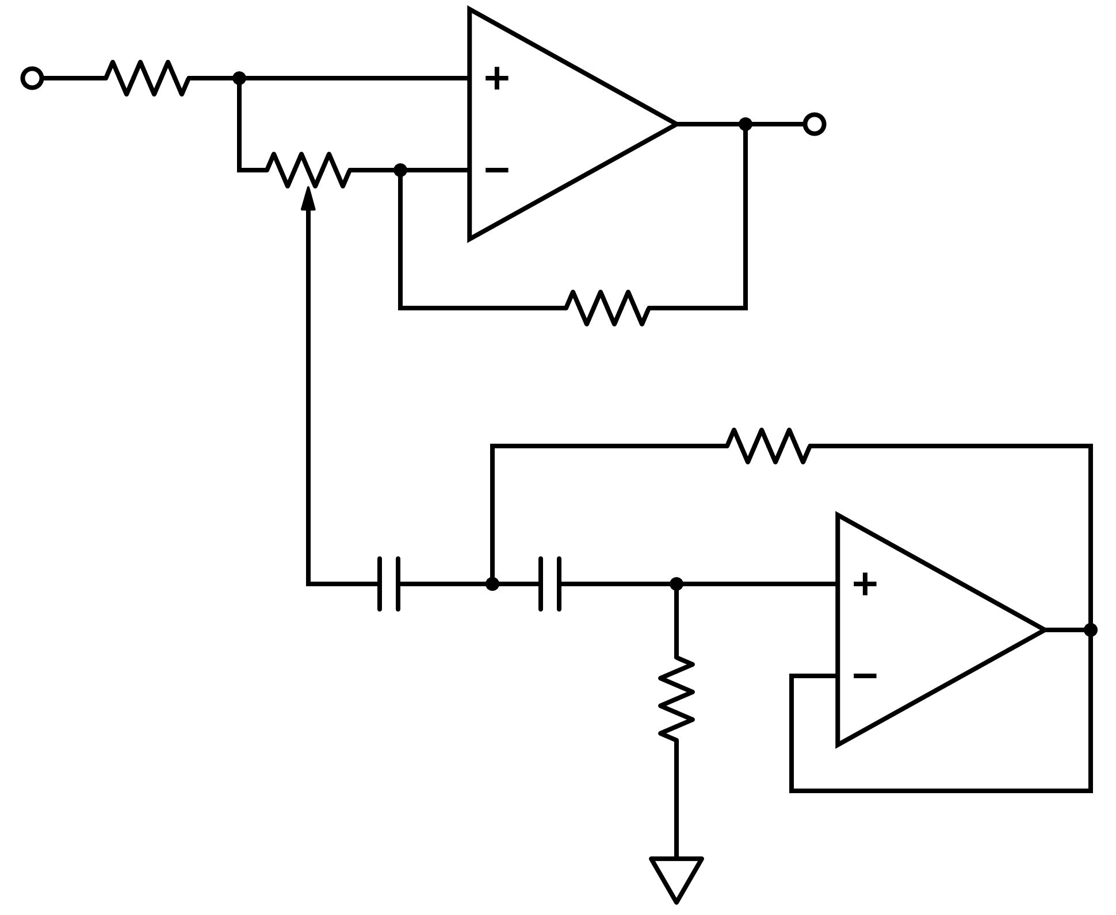
$$R_{S}$$
$$R_{1}$$
$$C_{1}$$
$$C_{2}$$
$$V_{IN}$$
$$V_{OUT}$$
$$R_{3}$$
$$R_{F}$$
$$R_{2}$$
Boss GE-7 Graphic Equalizer Analysis |  |  |  |  |  |  |  |  | Shelving Filter HF Gain
 | Level Control |  |  |  |  |  |  |  | HF Gain | 5.0243902439 | V/V
RF | 10000 | Ω |  |  |  |  |  |  | -3 dB Gain | 3.5527804128 | V/V
$$G=1+\frac{R_{F}}{R_{IN}}$$
RIN | 2200 | Ω |  |  |  |  |  |  | Effective RR @ -3 dB | 1292.7081325 | Ω
Gain | 5.55 | V/V |  |  |  |  |  |  | XC @ -3 dB | 472.7 | Ω
Gain | 14.88 | dB |  |  |  |  |  |  | fC | 7163.6 | Hz
$$R_{S}=\frac{R_{F}}{G−1}$$
$$G=1+\frac{R_{F}}{R_{S}}$$
 | Gyrator
RF | 3300 | Ω
RS | 330 | Ω
Gain | 11.00 | V/V
Gain | 20.83 | dB

 | Band 1 | Band 2 | Band 3 | Band 4 | Band 5 | Band 6 | Band 7
Frequency | 100 | 200 | 400 | 800 | 1600 | 3200 | 6400 | Hz
RS Actual (E12 10%) | 330 | 330 | 330 | 330 | 330 | 330 |  | Ω
R1 Actual (E12 10%) | 100000 | 82000 | 100000 | 100000 | 82000 | 82000 | 820 | Ω
C1 Actual (E12 10%) | 0.056 | 0.033 | 0.015 | 0.0082 | 0.0039 | 0.0022 |  | µF
C2 Actual (E12 10%) | 1.5 | 0.68 | 0.33 | 0.15 | 0.1 | 0.039 | 0.047 | µF
Q - Analyzed vs. Measured
$$L=\left(R_{1}−R_{S}\right)R_{S}C_{1}$$
$$f_{0}=\frac{1}{2π\sqrt{LC_{2}}}$$
$$Q=\frac{2πf_{0}L}{R_{S}}$$
L | 1.842 | 0.889 | 0.493 | 0.270 | 0.105 | 0.059 |  | H
f0 | 95.75 | 204.65 | 394.44 | 791.28 | 1552.39 | 3309.70 | 7163.56 | Hz
Q | 3.36 | 3.47 | 3.71 | 4.06 | 3.11 | 3.74 |  | -
% Difference in f0 | -4.25% | 2.33% | -1.39% | -1.09% | -2.98% | 3.43%

Measured Data
Measured f0 | 93.97 | 203.9 | 397.1 | 770.3 | 1562 | 3214 |  | Hz
% Difference vs. Calculated | -1.86% | -0.37% | 0.67% | -2.65% | 0.62% | -2.89%

f0 | 99 | 210 | 407 | 787 | 1596 | 3589 |  | Hz
fL | 87 | 179 | 345 | 674 | 1336 | 3225 |  | Hz
fH | 122 | 269 | 511 | 958 | 2100 | 4261 |  | Hz
Q | 2.83 | 2.33 | 2.45 | 2.77 | 2.09 | 3.46 |  | -

